Cover Page
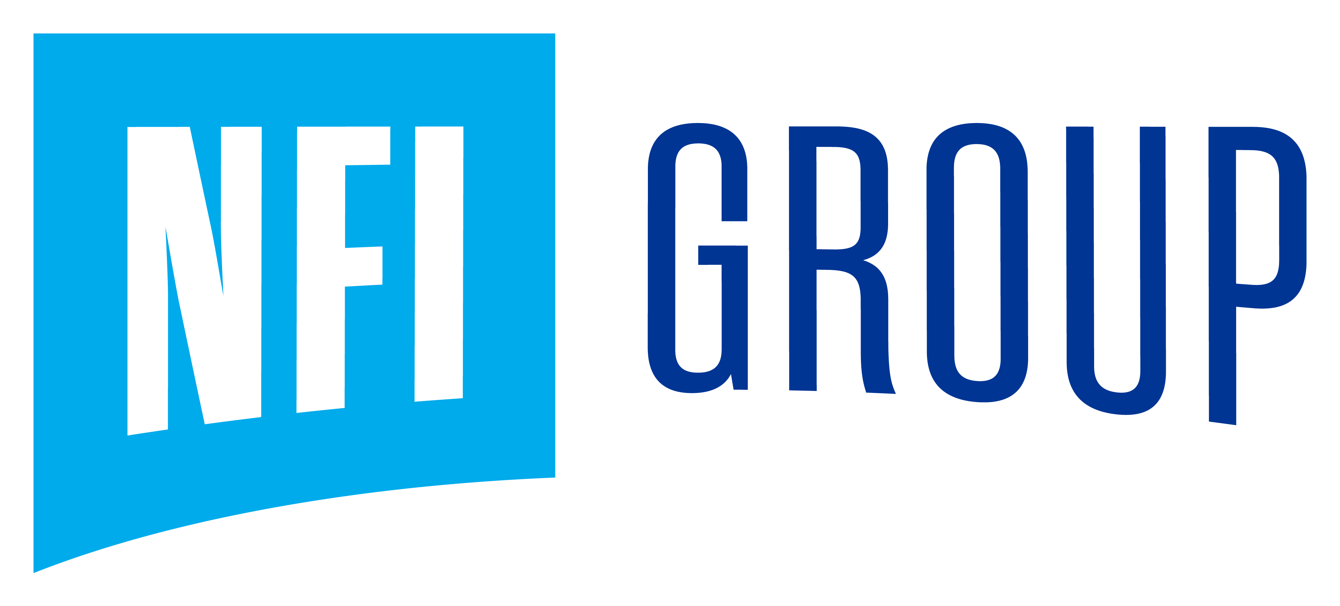

Investor Workbook
2022 Q4

